Hebrew 999 Framework (Groups 9)
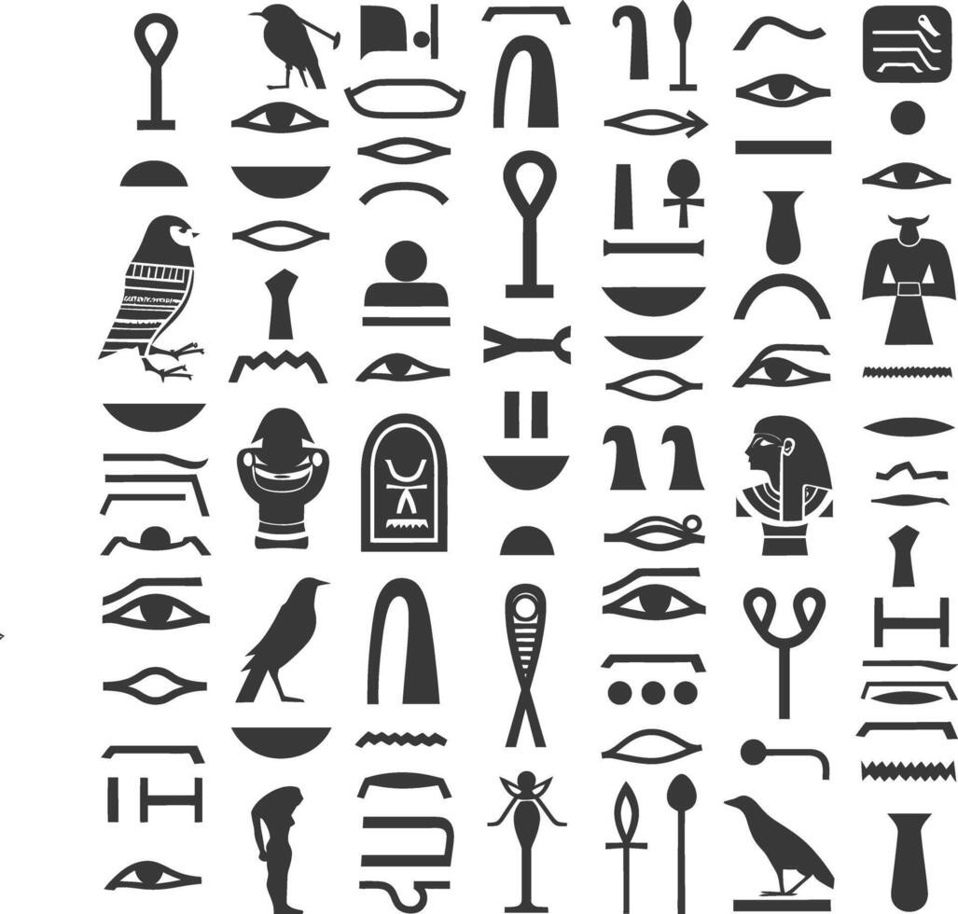 Hebrew Alphabet/ Symbols List- JLD- 999 Framework
Author: Justin William Gill/ justin.gill3975@gmail.com/ +12792377256

Stable Letters | Gematria Value | Stable Aspect Examples
ב Bet | 2 | Rabbit, Found Path, Blessing, Where you are grounded, Friendly, Joy
Tet ט | 9 | Moon, Potential, Incompleteness, Coming full circle, Hidden, Mystery, Rest
ג Gimel | 3 | Scorpion, Danger, Change Course, Pursue goodness, May strike, Proceed with caution, powerful
ל Lamed | 30 | River, Guidance, Leadership, Showing the path, The source of life
נ Nun | 50 | Volcano, Worship, Perpetual, Continuing always, Life, Explosive, Breaking forth, Reaching the sky
ע Ayin | 70 | Eye, Balancing duality, conscious awareness, Insight, Seeing fresh, Through another's eyes, Seeing clearly
צ Tsade | 90 | Antelope, Vision, Choosing the path of, Making a Choice, Stealth, Quick decision
ש Shin | 300 | Fire Water, Transformation, Refinement, To change form, Sacrifice, Punishment
ת Tav | 400 | Blue Crown, To do battle, God, All powerful, Greatness, Explosive
Unstable Letters | Gematria Value | Unstable Aspect Examples
ד Dalet | 4 | Snake, Ruler of Self, Planting seed, Grounded path, Grounding Self, Beginning growth, lesson
ו Vav | 6 | Man's Spirit , Stillness, The unknown, Message from God, The soul of man
ז Zayin | 7 | Cloud (Divine Eye), Changing course, From Gods eyes, All seeing, What would God see, God sees all
ךKaf Final | 20 | Whale (Great Fish), Connecting to the Spirit, Speech, Ruler of the Sky, To teach
ןNun Final | 50 | Lightning Sky, Reaching new heights, Become older, Outer growth, Awakening
ף Peh Final | 80 | Osiris Hook, Opening oneself, Inner growth, Potential inside, Vulnerability, Hidden life
ץ Final Tsade | 90 | Praising Man, Spiritual growth, Meeting with the divine, Ascending, Foregiveness, Blessing God
ק Qof | 100 | Elephant, Found Wisdom, Great wisdom, Seeing the Divine, Mystery, Powerful
ר Resh | 200 | Closed hand, Strength, Anger, Powerful, Take Charge, Fight, Rules/ Laws
Balanced Letters | Gematria Value | Balanced Aspect Examples
א Aleph | 1 | Crown (Wadjet) Ruler of the Land , Strength, Leader (Ruler), Power in One, to teach, God
ה Heh | 5 | Wind (Breathe of Life), Applied knowledge, Renewal, Birth, Resurrection, To give life, To take life, Loss of life, Release
ח Het | 8 | Doorway, Enclosure, Inner chamber, Protection from, Sacred space, New beginning, Doorway
י Yod | 10 | Flame, Divine point, Illumination, Spirit of God, Spark, To be Feared, Survival, Weapon against evil, Light the path
כ Kaf | 20 | Octopus Ruler of the Sea, Giving, Illusion, Tool, to teach, Smart, Problem-solving, Mystery
ם Final Mem | 40 | Sealed waters, Sealed goodness, Inner knowledge, Protected, Obtained knowledge, Consumption
מ Mem | 40 | Wave, Flow, Movement, Releasing knowledge, To be born, Life beginning, Release energy, Show force
ס Samekh | 60 | Whirlwind (Mist/ Fog?), Support, Encircle, Surrounding arm, Sent from the divine, Message from God
פ Peh | 80 | Ibis, Receptive, Vision, Seeing the way, Perception, Self-aware, Creative

Legend
BOLD | Bold font denotes symbols pictograph based on review of ancient languages.
 | Blue indicates Gematria value of Hebrew symbol.
 | Grey boxes are conceptual descriptives the symbols may represent. Incomplete.

Date Last Updated | 2025-10-04
Applies to Hebrew Language, Pre-Niqqud due the Niqqud not being present at the languages inception.
Aspect definitions are not concrete, but rather, conceptual
Symbols have been adjusted to conincide with potential Egyptian influence. Review of Paleo-Hebrew symbols indicates potential ties to Egyptian language also, different from Modern Hebrew, possible a dialect

 |  | * Theorize that this is not related to Modern Hebrew, but other Egyptian Symbols

*Theorize that these directly come from Egyptian Symbols
The Hebrews taking the Egpytian language to make as their own
as a form of rebellion against the powers that be.

Language Symbols
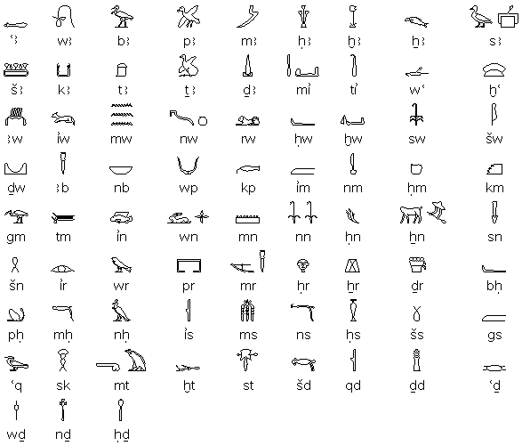
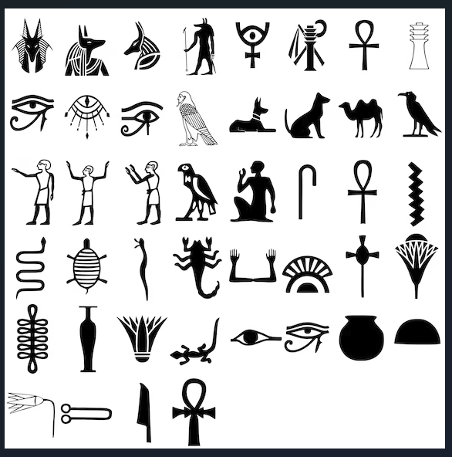
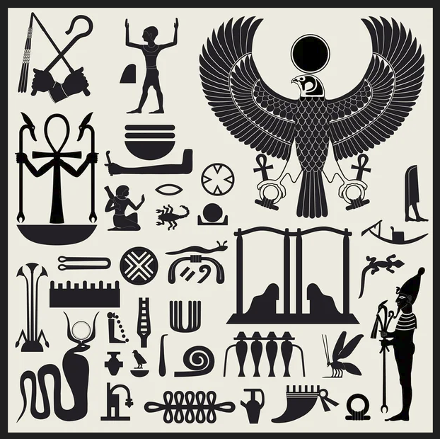
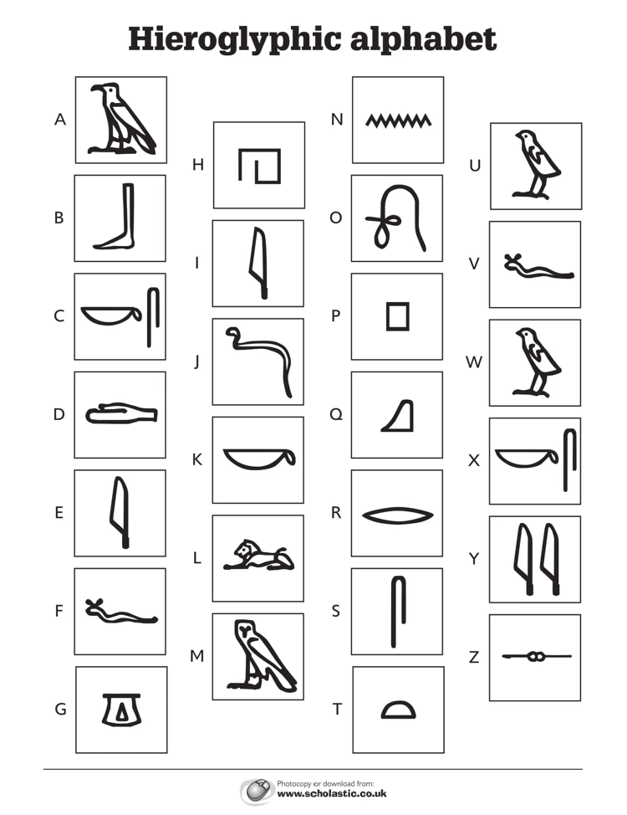
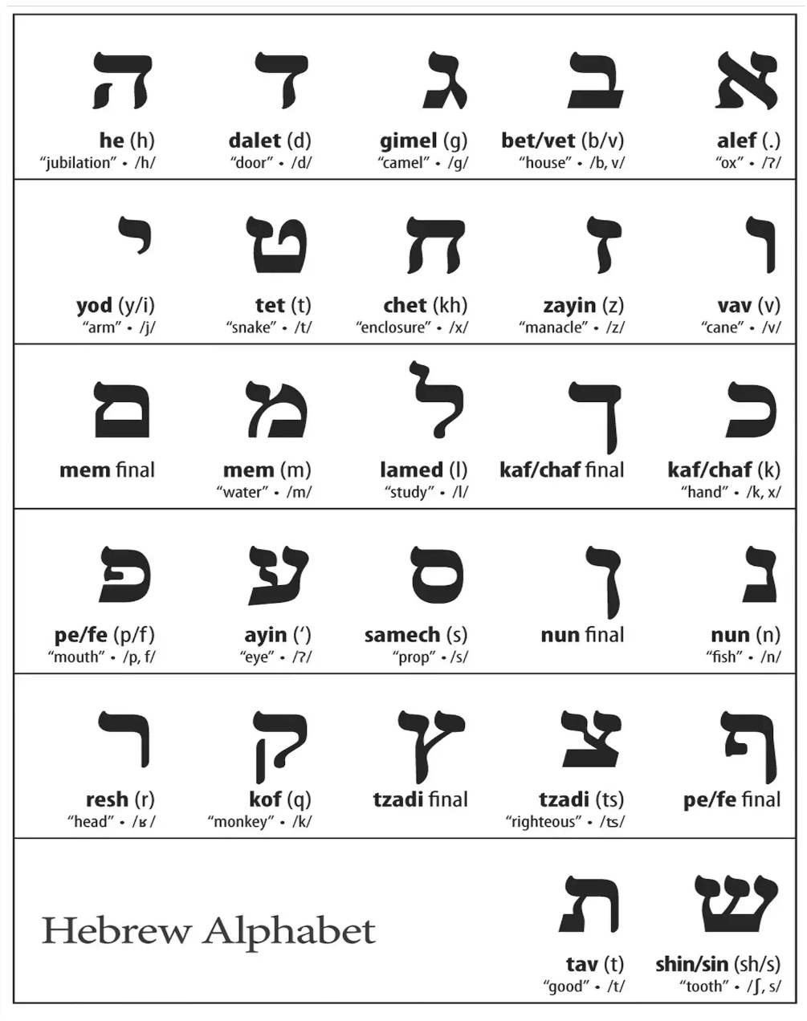
Modern Hebrew | Palo-Hebrew Script

